1
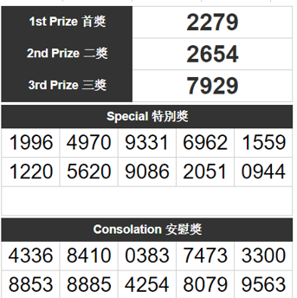
Position | BIG | SMALL | Weightage | Weightage/4 |  |  | DIGIT |  |  |  | WEIGHTED NUMBERS
1 | 2500 | 3500 | 3000 | 750 | POSITION | FULL NUMBER | 1 | 2 | 3 | 4 | 1 | 2 | 3 | 4 | Row Labels | Sum of 12 | Row Labels | Sum of 12 | Row Labels | Sum of 12 | Row Labels | Sum of 12
2 | 1000 | 2000 | 1500 | 375 | 1 | 2279 | 2 | 2 | 7 | 9 | 750 | 750 | 750 | 750 | 2 | 61.18% | 2 | 42.35% | 7 | 43.14% | 9 | 52.16%
3 | 500 | 1000 | 750 | 187.5 | 2 | 2654 |  |  |  |  |  |  |  |  | 7 | 10.59% | 6 | 21.96% | 5 | 25.88% | 4 | 22.75%
4 | 180 |  | 180 | 45 | 3 | 7929 |  |  |  |  |  |  |  |  | 1 | 7.06% | 9 | 19.22% | 2 | 14.51% | 0 | 8.63%
5 | 60 |  | 60 | 15 | 4 | 1996 |  |  |  |  |  |  |  |  | 9 | 5.49% | 0 | 5.49% | 8 | 3.92% | 6 | 5.49%
 |  |  |  |  | 4 | 4970 |  |  |  |  |  |  |  |  | 4 | 3.92% | 3 | 4.71% | 3 | 3.14% | 1 | 4.71%
 |  |  |  |  | 4 | 9331 |  |  |  |  |  |  |  |  | 8 | 3.14% | 5 | 3.14% | 6 | 3.14% | 3 | 3.14%
 |  |  |  |  | 4 | 6962 |  |  |  |  |  |  |  |  | 0 | 3.14% | 8 | 1.57% | 9 | 2.35% | 2 | 2.35%
 |  |  |  |  | 4 | 1559 |  |  |  |  |  |  |  |  | 5 | 2.35% | 4 | 1.57% | 4 | 2.35% | 5 | 0.78%
 |  |  |  |  | 4 | 1220 |  |  |  |  |  |  |  |  | 6 | 2.35% | Grand Total | 100.00% | 1 | 0.78% | Grand Total | 100.00%
 |  |  |  |  | 4 | 5620 |  |  |  |  |  |  |  |  | 3 | 0.78% |  |  | 0 | 0.78%
 |  |  |  |  | 4 | 9086 |  |  |  |  |  |  |  |  | Grand Total | 100.00% |  |  | Grand Total | 100.00%
 |  |  |  |  | 4 | 2051
 |  |  |  |  | 4 | 0944
 |  |  |  |  | 5 | 4336
 |  |  |  |  | 5 | 8410
 |  |  |  |  | 5 | 0383
 |  |  |  |  | 5 | 7473
 |  |  |  |  | 5 | 3300
 |  |  |  |  | 5 | 8853
 |  |  |  |  | 5 | 8885
 |  |  |  |  | 5 | 4254
 |  |  |  |  | 5 | 8079
 |  |  |  |  | 5 | 9563

